User Testing
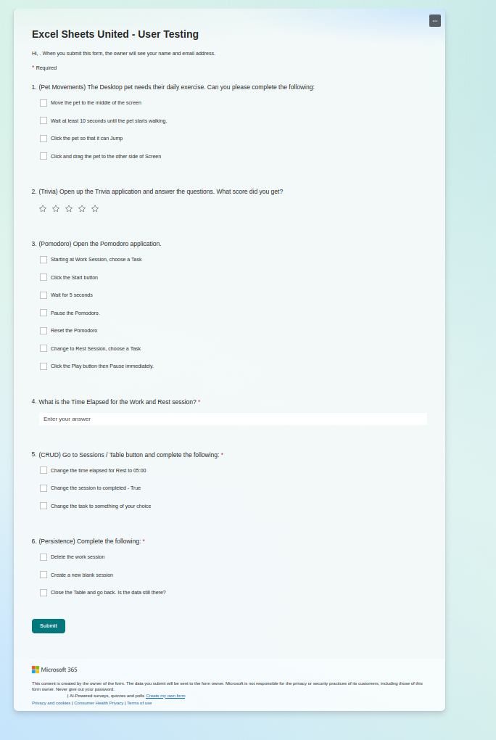
Purpose: | Find out the usability of the application, as well as usefulness |  | Feedback
 |  |  | Change Start Pause button Colours
What are we seeking to improve? | Usability, UI |  | Change "Rest" to "Break"
 |  |  | Trivia questions in a speech bubble
Research question : | How frequently would you use this application in daily life? |  | Knowing what to do on Sessions TableView. Hierarchy and embolden Text. Navigation buttons on the Top. More sign posting. Clearer navigation.
 |  |  | Change "Sessions" to "Sessions View" or "Sessions Data"
 |  |  | Change "Pomodoro" to "Timer"
Task Scenarios |  |  | Pet needs to be talking with speech bubbles every so often
1 | Move the pet to middle of screen |  | Return to Work / Rest - Change to an Arrow Shape button????
2 | Wait for the pet to move
3 | Click the pet so it jumps
4

 | Excel Sheets United - User Testing – Fill out form | Excel Sheets United - User Testing – Results

